Sheet1
DATE | INV NO. | DESCRIPTIONS | QTY | PRICE | BILLS | TOTAL
10-Dec-2025 | BL2-10-2320 | CANGGU BLEND 1KG | 10 | IDR 280,000 | 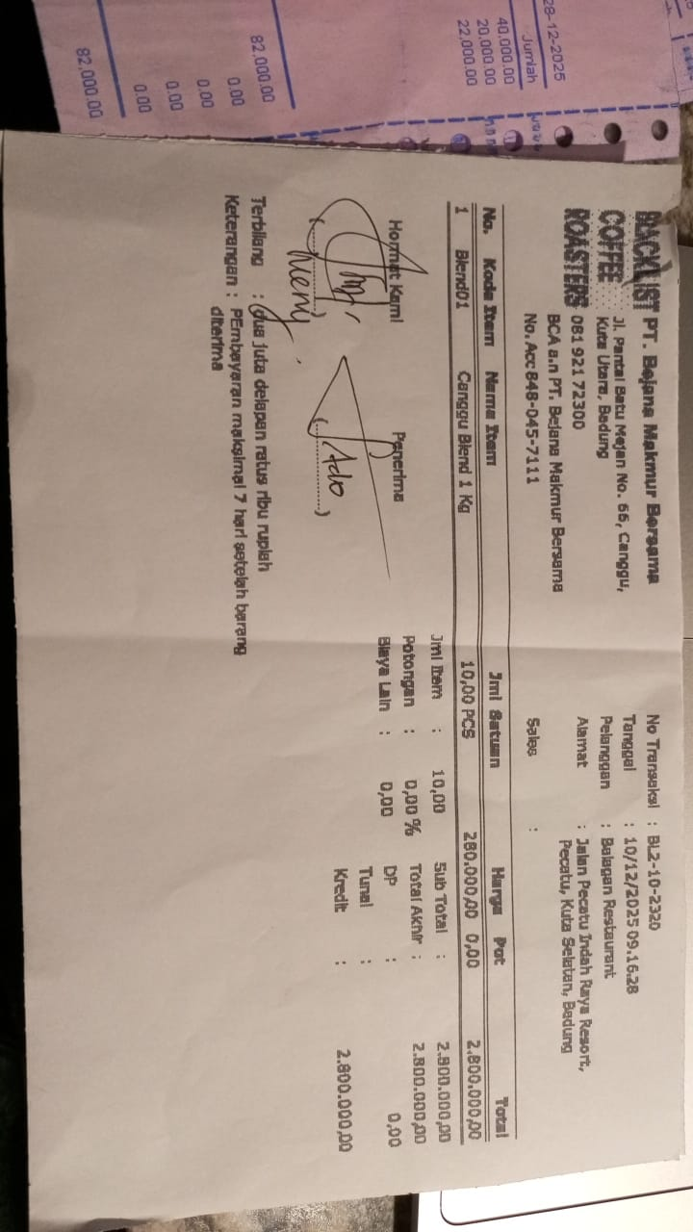 | IDR 2,800,000
15-Dec-2025 | BL2-10-2348 | CANGGU BLEND 1KG | 10 | IDR 280,000 | 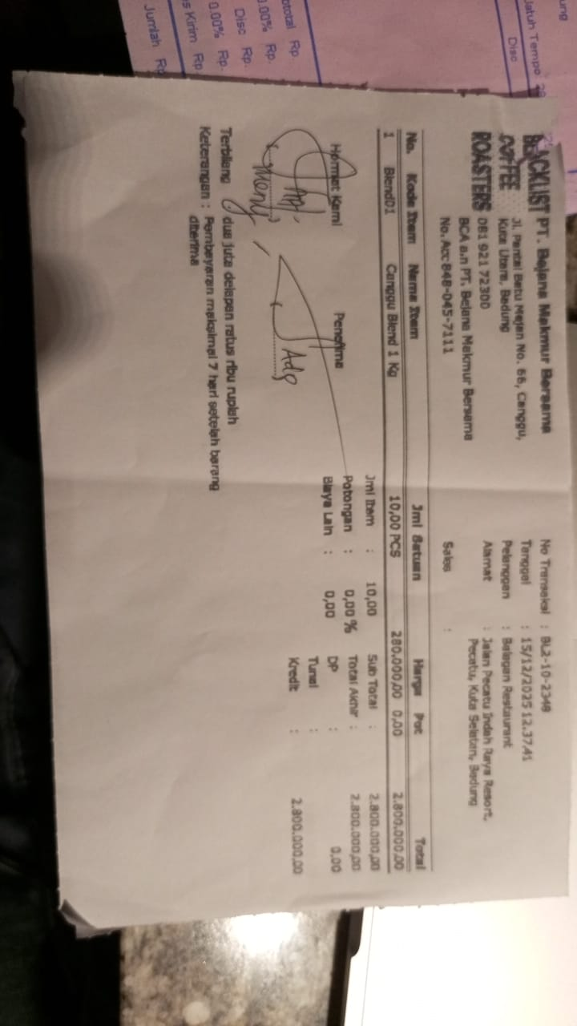 | IDR 2,800,000
Total |  |  |  |  | Rp5,600,000

